Proforma Invoice
HONG KONG UNICORN TECHNOLOGY LIMITED

RM A07.1701-02, New Trend Centre, 704 Prince Edward Rd East, San Po Kong, Hong Kong
Contact: Joy Kim | joy@unicornsemi.com | (+86) 177-2781-0735

PROFORMA INVOICE

Invoice No.: | UNI2025110501
Date: | 2025-11-05

TOTAL AMOUNT |  | #REF!

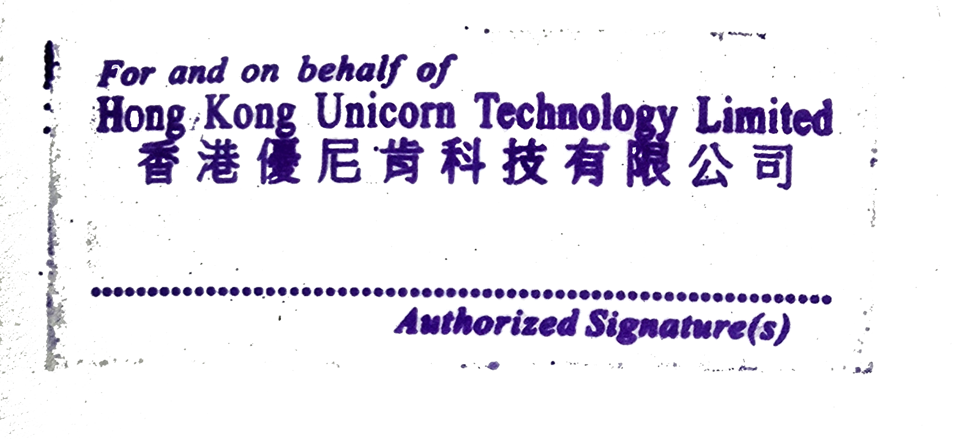
TERMS & CONDITIONS
1. Currency: KRW
2. Trade Terms: DAP – Delivered at Place
3. Payment time: The next month after receiving the goods
4. Quality Warranty: 1 year from delivery date
5. This PI requires company stamp/seal before confirmation

PAYMENT METHOD – BANK TRANSFER
Account Number: | 06201739597884
Account Name: | Hong Kong Unicorn Technology Limited
Bank Code: | 003
Bank Name: | IBK - Industrial Bank of Korea
Bank Address: | 91, Ogeum-ro, Songpa-gu, Seoul, Korea Industrial Bank of Korea Jamsil Branch
Country/Region: | Korea
Type of Account: | Business account

THANK YOU FOR YOUR BUSINESS!

